PopulationReport
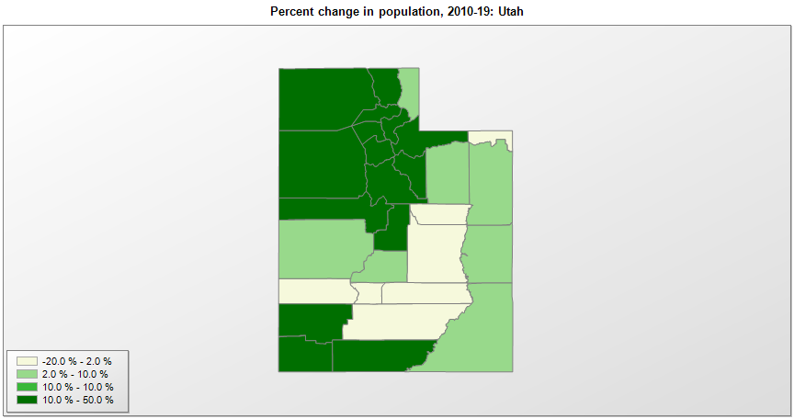

FIPS* | County name | RUC code | Pop. 1990 | Pop. 2000 | Pop. 2010 | Pop. 2019 | Change 2010-19
49000 | Utah |  | 1,722,850 | 2,233,183 | 2,763,891 | 3,205,958 | 16.0%
49001 | Beaver County | 7 | 4,765 | 5,997 | 6,629 | 6,710 | 1.2%
49003 | Box Elder County | 2 | 36,485 | 42,755 | 49,983 | 56,046 | 12.1%
49005 | Cache County | 3 | 70,183 | 91,389 | 112,656 | 128,289 | 13.9%
49007 | Carbon County | 7 | 20,228 | 20,531 | 21,403 | 20,463 | -4.4%
49009 | Daggett County | 9 | 690 | 918 | 1,061 | 950 | -10.5%
49011 | Davis County | 2 | 187,941 | 238,997 | 306,492 | 355,481 | 16.0%
49013 | Duchesne County | 7 | 12,645 | 14,432 | 18,605 | 19,938 | 7.2%
49015 | Emery County | 7 | 10,332 | 10,859 | 10,976 | 10,012 | -8.8%
49017 | Garfield County | 9 | 3,980 | 4,733 | 5,172 | 5,051 | -2.3%
49019 | Grand County | 7 | 6,620 | 8,407 | 9,224 | 9,754 | 5.7%
49021 | Iron County | 4 | 20,789 | 33,793 | 46,163 | 54,839 | 18.8%
49023 | Juab County | 2 | 5,817 | 8,236 | 10,246 | 12,017 | 17.3%
49025 | Kane County | 6 | 5,169 | 6,056 | 7,125 | 7,886 | 10.7%
49027 | Millard County | 7 | 11,333 | 12,405 | 12,503 | 13,188 | 5.5%
49029 | Morgan County | 2 | 5,528 | 7,132 | 9,469 | 12,124 | 28.0%
49031 | Piute County | 9 | 1,277 | 1,437 | 1,557 | 1,479 | -5.0%
49033 | Rich County | 8 | 1,725 | 1,961 | 2,264 | 2,483 | 9.7%
49035 | Salt Lake County | 1 | 725,956 | 898,429 | 1,029,590 | 1,160,437 | 12.7%
49037 | San Juan County | 7 | 12,621 | 14,389 | 14,745 | 15,308 | 3.8%
49039 | Sanpete County | 6 | 16,259 | 22,722 | 27,822 | 30,939 | 11.2%
49041 | Sevier County | 7 | 15,431 | 18,840 | 20,801 | 21,620 | 3.9%
49043 | Summit County | 4 | 15,518 | 29,746 | 36,324 | 42,145 | 16.0%
49045 | Tooele County | 1 | 26,601 | 40,740 | 58,218 | 72,259 | 24.1%
49047 | Uintah County | 7 | 22,211 | 25,174 | 32,588 | 35,734 | 9.7%
49049 | Utah County | 2 | 263,590 | 368,539 | 516,639 | 636,235 | 23.1%
49051 | Wasatch County | 6 | 10,089 | 15,206 | 23,525 | 34,091 | 44.9%
49053 | Washington County | 3 | 48,560 | 90,325 | 138,115 | 177,556 | 28.6%
49055 | Wayne County | 9 | 2,177 | 2,509 | 2,778 | 2,711 | -2.4%
49057 | Weber County | 2 | 158,330 | 196,526 | 231,218 | 260,213 | 12.5%

Source: U.S. Census Bureau, 1990, 2000, and 2010 Censuses of Population (corrected), and 2019 County Total Population Estimates. 1) The FIPS codes uniquely identify each county and are part of the Federal Information Processing Standards (FIPS) developed by the National Institute of Standards and Technology (NIST), U.S. Department of Commerce. For more information, see the NIST FIPS publication page. 2) The 2013 rural-urban continuum codes classify metropolitan counties (codes 1 through 3) by size of the Metropolitan Statistical Area (MSA), and nonmetropolitan counties (codes 4 through 9) by degree of urbanization and proximity to metro areas. See rural-urban continuum codes for precise definitions of each code.

